Table 18
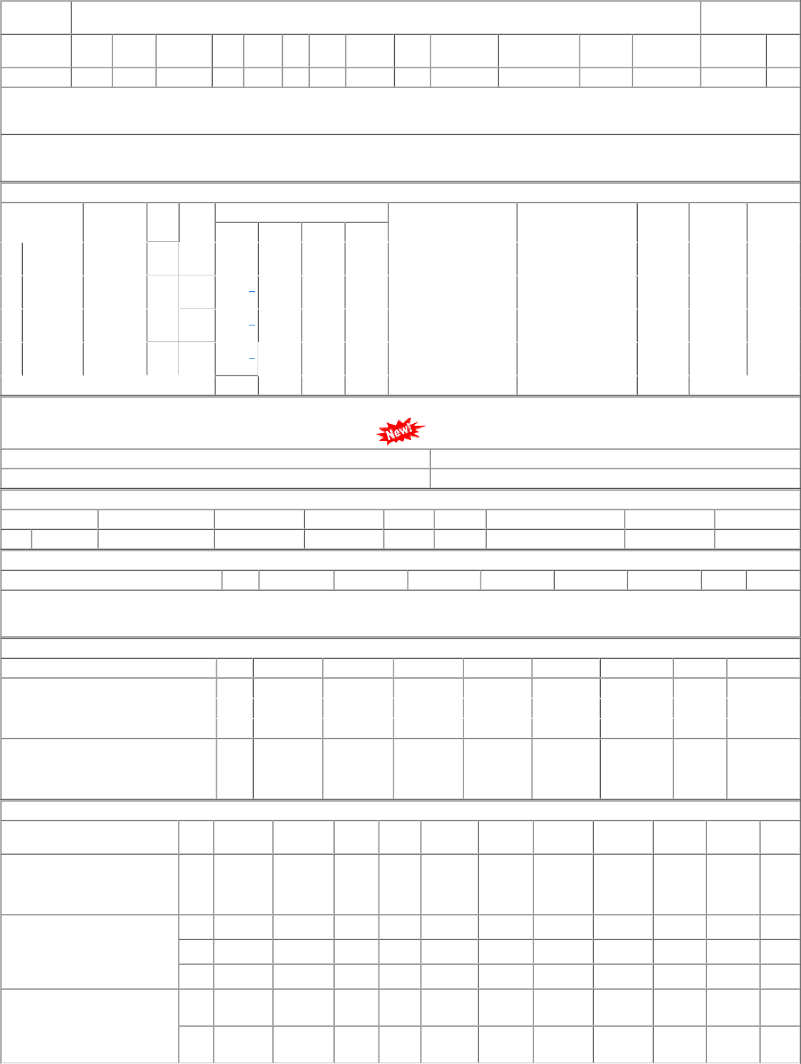
P.O.No.52221335101064 dt.13/07/22 on M/s.MILTON INDUSTRIES LIMITED- AHMEDABAD PO-CAT:[ Reg ] P.O.No.04223318103599 dt.11/07/22 on M/s.RESPONSIVE INDUSTRIES LTD-MUMBAI PO-CAT:[ Reg ] P.O.No.04213318103406 dt.26/07/21 on M/s.PREMIER POLYFILM LTD.- BULANDSHAHAR PO-CAT:[ Reg ] | 001 001 002 003 001 003 | PL-CR PL-CR PL-CR SBI-GSD PL-CR PL-CR | 252.00 239.68 239.68 239.68 218.40 218.40 | 5000 MTR 0 17752 MTR 0 7248 MTR 0 360 MTR 0 9355 MTR 0 10000 MTR 0 | 0 5000 0 17752 0 0 0 0 0 9348 0 10000 | 12/08/22 31/10/22 30/04/23 30/04/23 31/07/22 30/10/21 | 15/09/22 OP 24/08/22 31/10/22 OP 01/04/23 30/04/23 OP 01/04/23 30/04/23 OP 15/10/21 OP 06/10/21 15/10/21 OP

